Service
TestCase ID | Description | Pre-Requisite | Test Step Description | Screen capture | Script | Jenkins | SVN | Owner | Date
F1 : AIS eStatement
F1_4_2_Y_1_Test | Verify page Service | Source Number : 3BO Status : Active | 1. Login My AIS 2. Click menu "Service" 3. Verify page "Service" - AIS estatement - iSWOP - Register AIS Fibre/Check Coverage - Request/Change WiFi Password 4. Cap Screen
F1_4_2_Y_2_Test | Verify page AIS eStatement In case : Mobile no. not register AIS eStatement | Source Number : 3BO Status : Active Profile : not registerd AIS eStatement | 1. Login My AIS 2. Click menu "Service" 3. Click sub menu "AIS eStatement" 4. Verify page "AIS eStatement" - Fast, safe - Hassle-Free - Check it yourself - Stay up-to-date - Apply botton - Term&Condition 5. Cap Screen
F1_4_2_Y_3_Test | Subscribe AIS eStatement Case : Apply AIS eStatement (Never Register) - Register AIS eStatement | Source Number : 3BO Status : Active | 1. Login My AIS 2. Click menu "Service" 3. Click sub menu "AIS eStatement" 4. Verify page "AIS eStatement" - Fast, safe - Hassle-Free - Check it yourself - Stay up-to-date - Apply botton - Term&Condition 5. Click "Apply" 6. Verify page "Apply eStatement" - E-mail for recieving bill - Bill language - Mobile number for SMS alert (filled with mobile number wich login) - "Confirm" button - "Cancel" button 7. Fill E-mail address 8. Select Bill language "English" 9. Cap screen 10. Click "Confirm" 11. Verify pop up message 12. Cap Screen 13. Click "OK" | 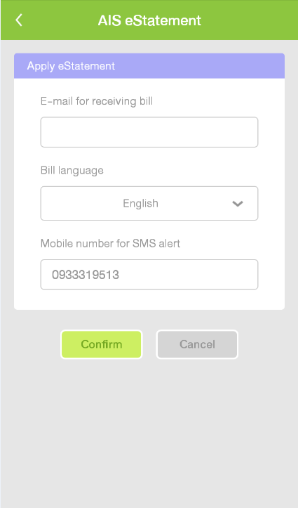 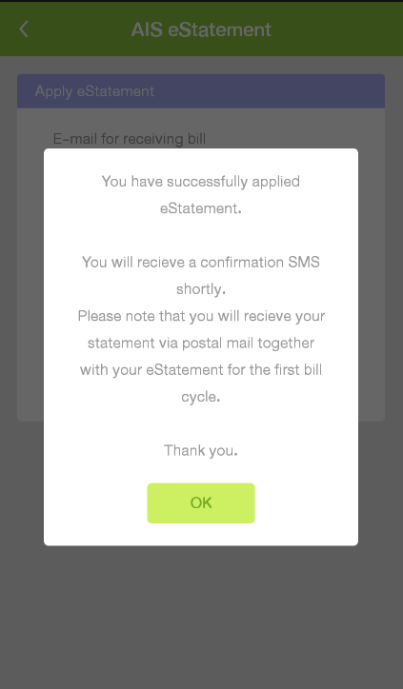
F1_4_2_N_4_Test | Subscribe AIS eStatement Case : Register AIS eStatement (Never Register) - No enter email address | Source Number : 3BO Status : Active | 1. Login My AIS 2. Click menu "Service" 3. Click sub menu "AIS eStatement" 4. Verify page "AIS eStatement" - Fast, safe - Hassle-Free - Check it yourself - Stay up-to-date - Apply botton - Term&Condition 5. Click "Apply" 6. Verify page "Apply eStatement" - E-mail for recieving bill - Bill language - Mobile number for SMS alert (filled with mobile number wich login) - "Confirm" button - "Cancel" button 7. Click "OK" 8. Verify pop up message "Please enter the E-Mail address you wish to receive you AIS eStatement" 9. Cap screen | 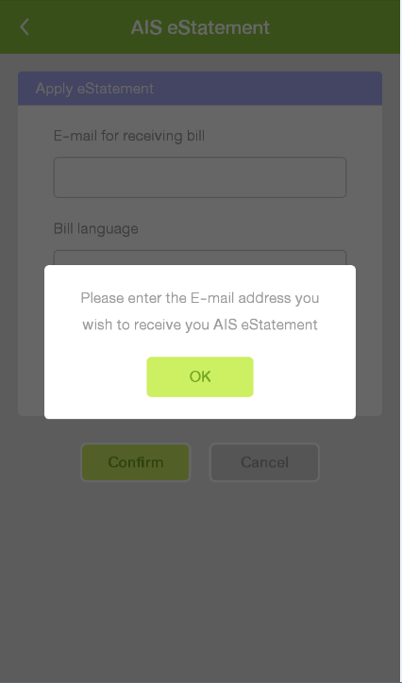
F1_4_2_N_5_Test | Subscribe AIS eStatement Case : Register AIS eStatement (Never Register) - Enter incorrect email address | Source Number : 3BO Status : Active | 1. Login My AIS 2. Click menu "Service" 3. Click sub menu "AIS eStatement" 4. Verify page "AIS eStatement" - Fast, safe - Hassle-Free - Check it yourself - Stay up-to-date - Apply botton - Term&Condition 5. Click "Apply" 6. Verify page "Apply eStatement" - E-mail for recieving bill - Bill language - Mobile number for SMS alert (filled with mobile number wich login) - "Confirm" button - "Cancel" button 7. Fill incorrect e-mail ex. "chani.com" 8. Click "OK" 9. Verify pop up message "Your e-mail entered is invalid. Please check and try again" 10. Cap screen | 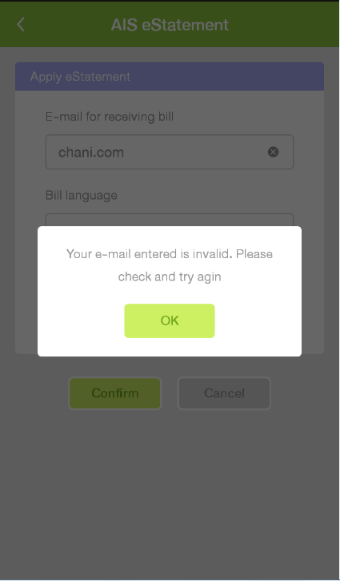
F1_4_2_Y_6_Test | Subscribe AIS eStatement Case : Register AIS eStatement - Have been applied AIS eStatement | Source Number : 3BO Status : Active | 1. Login My AIS 2. Click menu "Service" 3. Click sub menu "AIS eStatement" 4. Verify pop up message "Your mobile number has been applied AIS eStatement service." 5. Cap screen | 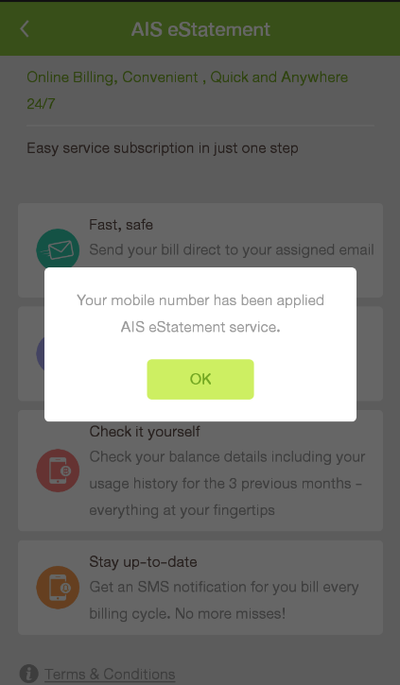 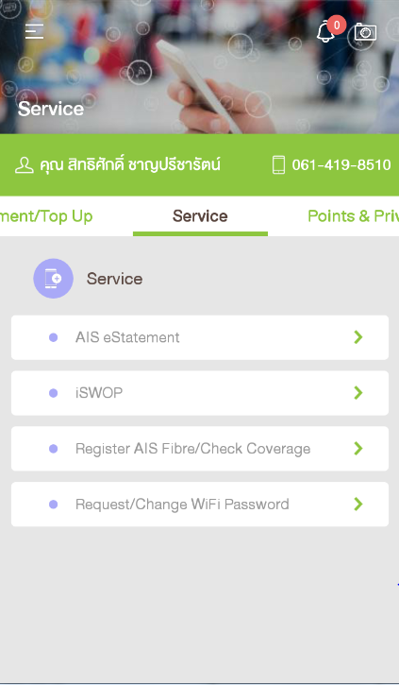
F2 : iSWOP
F2_4_2_N_1_Test | Case : Customer not have package iSWOP - Verify Alert message | Source Number : 3BO Status : Active | 1. Login My AIS 2. Click menu "Service" 3. Click sub menu "iSWOP" 4. Verify Alert message 5. Click "OK" 6. Verify page "Change Main Package" | 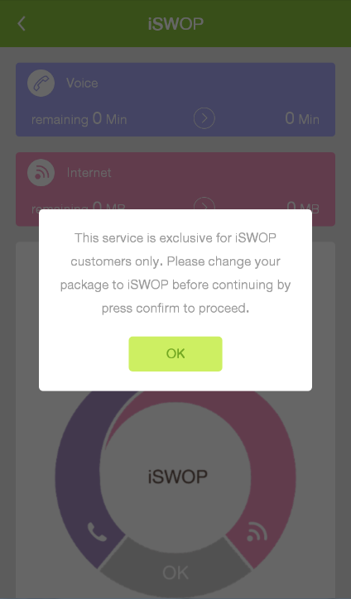 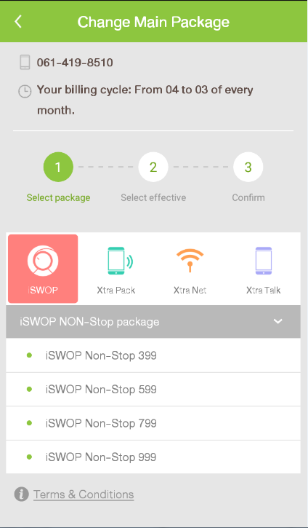 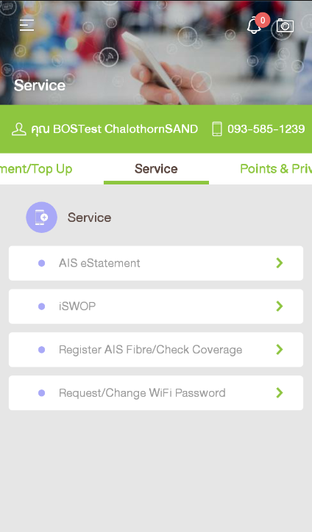
F2_4_2_Y_2_Test | Case: Customer have package iSWOP - Verify iSWOP page | Source Number : 3BO Status : Active Have iSWOP package | 1. Login My AIS 2. Click menu "Service" 3. Click sub menu "iSWOP" 4. Verify "iSWOP page" | 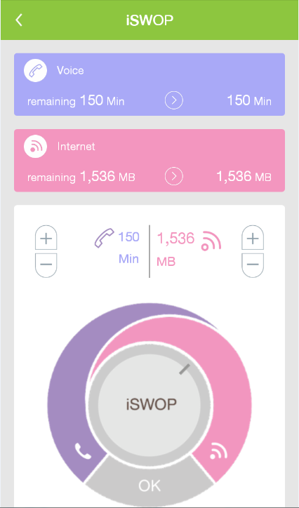
F2_4_2_Y_3_Test | Case: Customer have package iSWOP - Swop Internet to Voice | Source Number : 3BO Status : Active Have iSWOP package | 1. Login My AIS 2. Click menu "Service" 3. Click sub menu "iSWOP" 4. Swop internet to voice 5. Click "OK" 6. Verify pop up message "Your transaction is completed. Please wait for SMS confirmation." 7. Click "OK" | 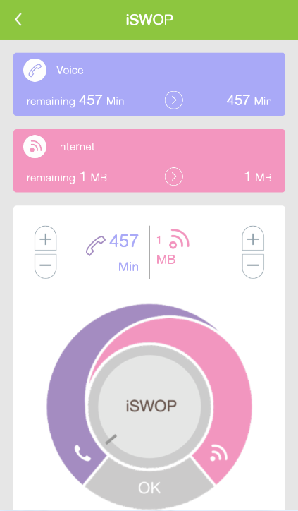
F2_4_2_Y_4_Test | Case: Customer have package iSWOP - Swop Voice to Internet | Source Number : 3BO Status : Active Have iSWOP package | 1. Login My AIS 2. Click menu "Service" 3. Click sub menu "iSWOP" 4. Swop Voice to Internet 5. Click "OK" 6. Verify pop up message "Your transaction is completed. Please wait for SMS confirmation." 7. Click "OK" | 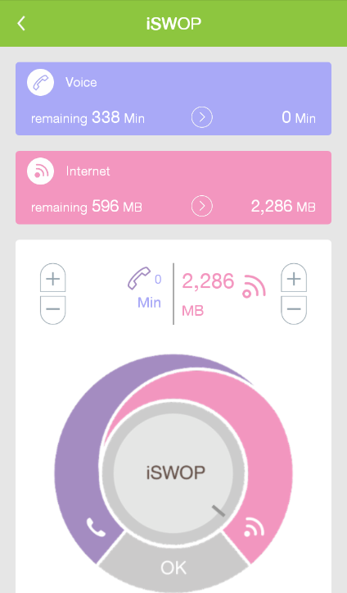
F3 : Register AIS Fibre/Check Coverage
F3_4_2_Y_1_Test | Register AIS Fibre Case : Register AIS Fibre | Source Number : 3BO Status : Active | 1. Login My AIS 2. Click menu "Service" 3. Click sub menu "Register AIS Fibre/Check Coverage" 4. Verify page only | 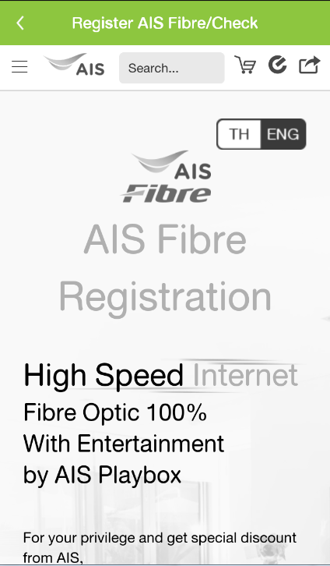
F4 : Request/Change WiFi Password
F4_4_2_Y_1_Test | Case : Request WiFi Password - request WiFi Password | Source Number : 3BO Status : Active | 1. Login My AIS 2. Click menu "Service" 3. Click sub menu "Request/Change WiFi Password" 4. Verify "request WiFi Password" | 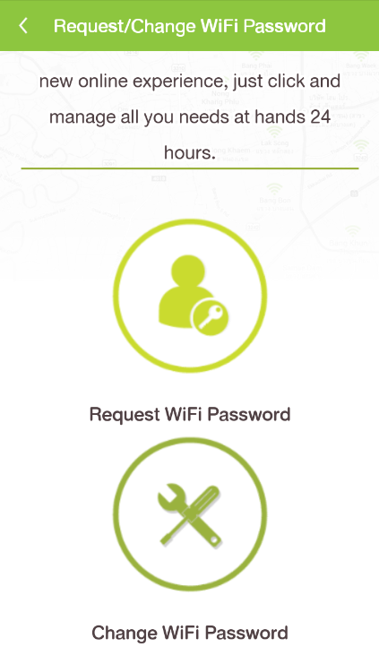
F4_4_2_Y_2_Test | Case : Change Wifi Password - Change Wifi Password | Source Number : 3BO Status : Active | 1. Login My AIS 2. Click menu "Service" 3. Click sub menu "Request/Change WiFi Password" 4. Verify "Change Wifi Password" | 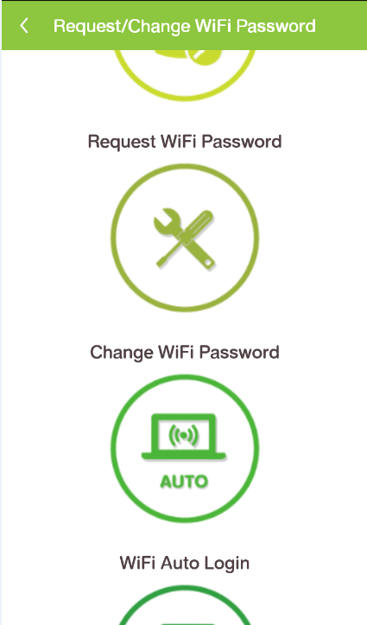
F4_4_2_Y_3_Test | Case : WiFi Auto Login - WiFi Auto login | Source Number : 3BO Status : Active | 1. Login My AIS 2. Click menu "Service" 3. Click sub menu "Request/Change WiFi Password" 4. Verify "WiFi Auto login " | 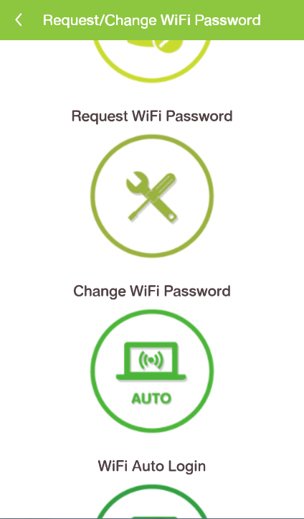
F4_4_2_Y_4_Test | Case : Wifi Auto Login (SIM) - WiFi Auto login (SIM) | Source Number : 3BO Status : Active | 1. Login My AIS 2. Click menu "Service" 3. Click sub menu "Request/Change WiFi Password" 4. Verify "WiFi Auto login (SIM)" | 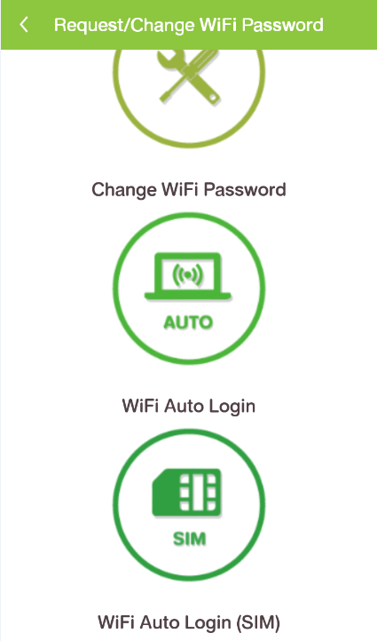

Touch ID
Test Case ID | Yes/No | % Complete | Description | Pre-Requisite | Expected Result | Test Step Description | Screen capture | Satisfy T3 | Result | Date | Remark | Tester | Version Application

Function :Passcode & Touch ID
Verify หน้าจอการSetting เปิด & ปิด การ Passcode Lock
F1_TouchID_4_2_Y_1_2 | Yes |  | กรณีปิดการใช้งาน ฟังก์ชั่น " Passcode Lock " | - Passcode Lock : ปิดการใช้งาน - ไม่มีการ Add Fingerprint ไว้ในเครื่องแล้ว | 1.ระบบแสดงที่หน้าจอ " Passcode Lock " - แสดงสัญลักษณ์ [<] - แสดงเมนู " Passcode Lock " [ปิด] | 1. เปิด App my AIS. 2. Login ผ่าน 3G/4G หรือ กดรับ OTP 3. เลือกเมนู Hamburger 4. เลือกเมนู "Setting" 5. เลือก Passcode Lock ที่หน้า "Setting" 6. ตรวจสอบหน้าจอ "Passcode Lock" | 
F1_TouchID_4_2_Y_2_2 | Yes |  | กรณีที่โทรศัพท์รองรับการใช้งาน Touch ID เปิดใช้งานการ Passcode Lock และไม่มีการ Add Finger Print ในเครื่อง | - Passcode Lock : เปิดการใช้งาน - ไม่มีการ Add Fingerprint ไว้ในเครื่องแล้ว | 1.ระบบแสดงที่หน้าจอ "การ Passcode Lock " - แสดงสัญลักษณ์ [<] - แสดงเมนู " Passcode Lock " [เปิด] - แสดงเมนู "Change Passcode" | 1. เปิด App my AIS. 2. ใส่รหัส ถูกต้อง ที่หน้า "Enter your passcode" 3. เลือกเมนู Hamburger 4. เลือกเมนู "Setting" 5. เลือก การ Passcode Lock ที่หน้า "Setting" 6. กรอกรหัสที่Settingไว้ 7. ตรวจสอบหน้าจอ "การ Passcode Lock " | 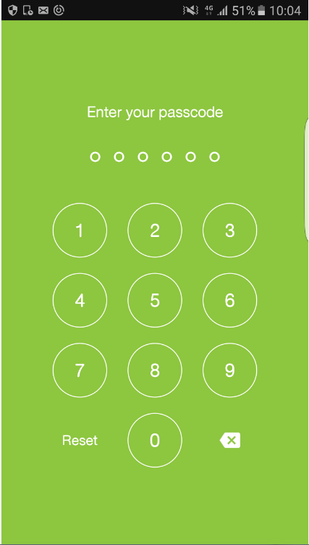 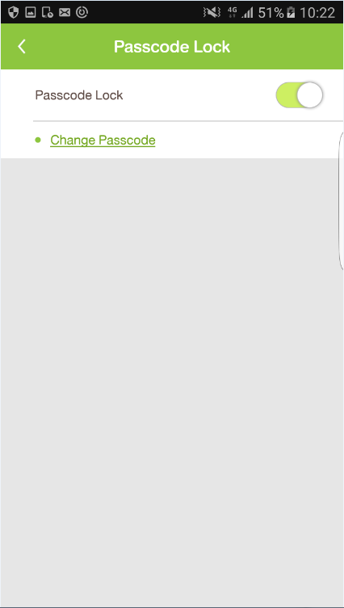
F1_TouchID_4_2_Y_3_2 | Yes |  | กรณีที่โทรศัพท์รองรับการใช้งาน Touch ID เปิดใช้งานการ Passcode Lock กับ Fingerprint และมีการ Add Finger Print ในเครื่อง | - Passcode Lock : เปิดการใช้งาน - Finger Print : เปิดการใช้งาน Fingerprint - มีการ Add Fingerprint ไว้ในเครื่องแล้ว | 1.ระบบแสดงที่หน้าจอ "การ Passcode Lock & Touch ID" - แสดงสัญลักษณ์ [<] - แสดงเมนู " Passcode Lock " [เปิด] - แสดงเมนู "เปลี่ยนรหัส" - แสดงเมนู "Touch ID" [เปิด] | 1. เปิด App my AIS. 2. ใส่รหัส ถูกต้อง ที่หน้า " Enter your passcode " 3. เลือกเมนู Hamburger 4. เลือกเมนู "Setting" 5. เลือก การ Passcode Lock ที่หน้า "Setting" 6. สแกนนิ้ว หรือ กรอกรหัสที่Settingไว้ 7. ตรวจสอบหน้าจอ "การ Passcode Lock " | 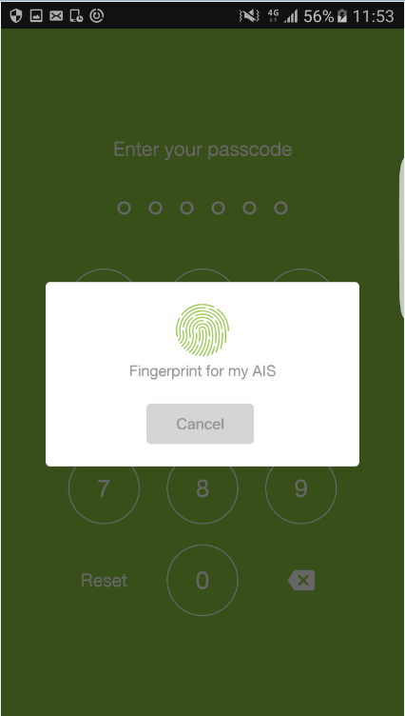 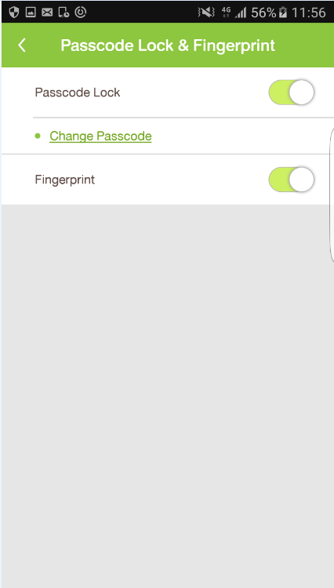
F1_TouchID_4_2_Y_4_2 | Yes |  | กรณีที่โทรศัพท์รองรับการใช้งาน Touch ID เปิดใช้งานการ Passcode Lock ปิด Fingerprint และมีการ Add Finger Print ในเครื่อง | - Passcode Lock : เปิดการใช้งาน - Finger Print : ปิดการใช้งาน Fingerprint - มีการ Add Fingerprint ไว้ในเครื่องแล้ว | 1.ระบบแสดงที่หน้าจอ "การ Passcode Lock & Touch ID" - แสดงสัญลักษณ์ [<] - แสดงเมนู " Passcode Lock " [เปิด] - แสดงเมนู "เปลี่ยนรหัส" - แสดงเมนู "Touch ID" [ปิด] | 1. เปิด App my AIS. 2. ใส่รหัส ถูกต้อง ที่หน้า "Enter your passcode" 3. เลือกเมนู Hamburger 4. เลือกเมนู "Setting" 5. เลือก การ Passcode Lock ที่หน้า "Setting" 6. กรอกรหัสที่Settingไว้ 7. ตรวจสอบหน้าจอ "การ Passcode Lock " | 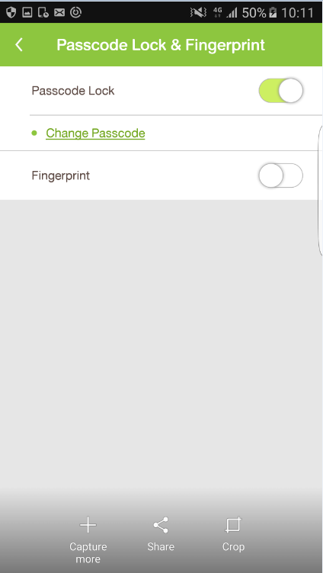
F1_TouchID_4_2_Y_5_2 | Yes |  | กรณีที่โทรศัพท์ไม่รองรับการใช้งาน Touch ID เปิดใช้งานการ Passcode Lock | - Passcode Lock : เปิดการใช้งาน - โทรศัพท์ไม่รองรับการใช้งาน Touch ID | 1.ระบบแสดงที่หน้าจอ "การ Passcode Lock " - แสดงสัญลักษณ์ [<] - แสดงเมนู " Passcode Lock " [เปิด] - แสดงเมนู "เปลี่ยนรหัส" | 1. เปิด App my AIS. 2. ใส่รหัส ถูกต้อง ที่หน้า "Enter your passcode" 3. เลือกเมนู Hamburger 4. เลือกเมนู "Setting" 5. เลือก การ Passcode Lock ที่หน้า "Setting" 6. กรอกรหัสที่Settingไว้ 7. ตรวจสอบหน้าจอ "การ Passcode Lock " | 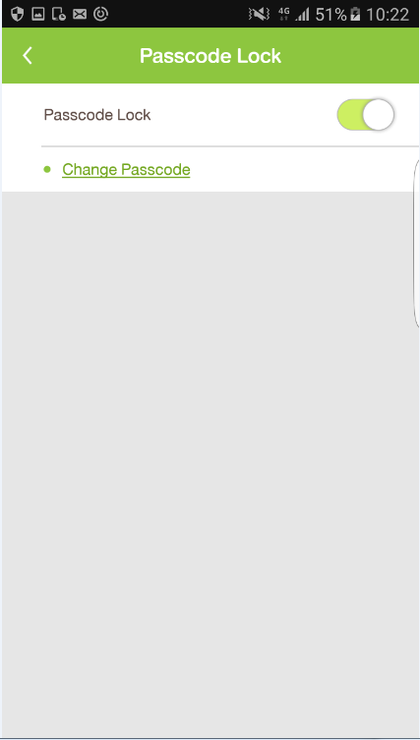
F1_TouchID_4_2_Y_6_2 | Yes |  | กรณีที่โทรศัพท์รองรับการใช้งาน Touch ID เปิดใช้งานการ Passcode Lock และไม่มีการ Add Finger Print ในเครื่อง | - Passcode Lock : เปิดการใช้งาน - Finger Print : เปิดการใช้งาน Fingerprint - ไม่มีการ Add Fingerprint ไว้ในเครื่องแล้ว | แสดง Popup -fingerprint เพื่อใช้งาน my AIS | 1. เปิด App my AIS. 2. ตรวจสอบ Popup "fingerprint เพื่อใช้งาน my Ais"
Setting การ Passcode Lock
F1_TouchID_4_2_Y_7_2 | Yes |  | Settingการ Passcode Lock กรณีเข้าใช้งานครั้งแรก | - ยังไม่เคยมีการSetting Passcode Lock | 1.แสดง Popup "Created successfully" | 1.ล็อกอิน "My AIS" 2.เลือกเมนู "Setting" 3. เลือกเมนู "การ Passcode Lock & Fingerprint" 4. เปิดการใช้งาน ฟังก์ชั่น " Passcode Lock " 5. ระบุรหัสผ่านที่ต้องการ [ตัวเลข 6 หลัก] 6. ยืนยันรหัสผ่านอีกครั้ง [ตัวเลข 6 หลัก] 7. แสดง Popup "Created successfully" |  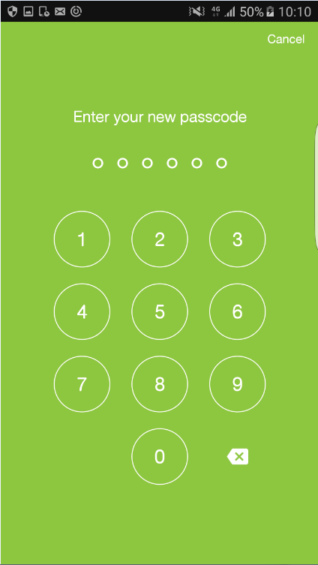 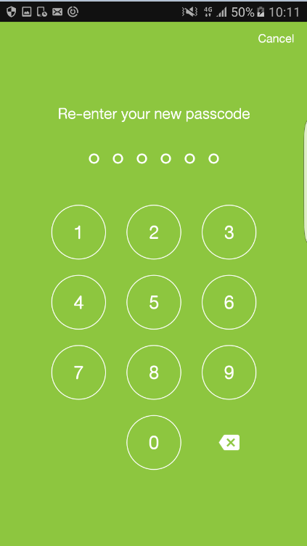 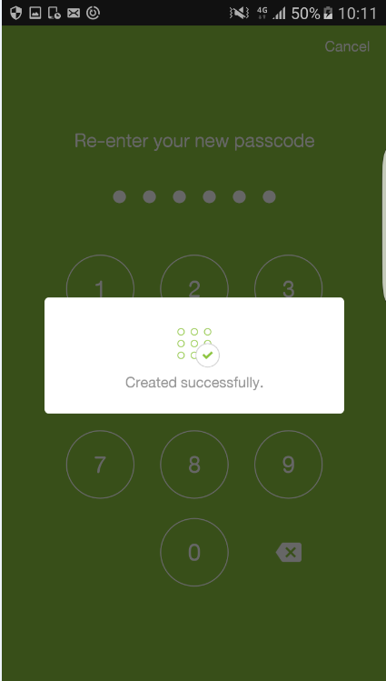
F1_TouchID_4_2_Y_8_2 | Yes |  | Settingการ Passcode Lock กรณีเข้าใช้งานครั้งแรก ใส่รหัสผ่าน ไม่ตรงกับ ยืนยันรหัสผ่านอีกครั้ง | - ยังไม่เคยมีการSetting Passcode Lock | 1.แสดงการแจ้งเตือน "Re-enter new passcode. Your passcode don't match. Please try again" | 1.ล็อกอิน "My AIS" 2.เลือกเมนู "Setting" 3. เลือกเมนู "การ Passcode Lock & Fingerprint" 4. เปิดการใช้งาน ฟังก์ชั่น " Passcode Lock " 5. ระบุรหัสผ่านที่ต้องการ [ตัวเลข 6 หลัก] 6. ยืนยันรหัสผ่านอีกครั้งไม่ตรงกับรหัสผ่านที่ต้องการ 7. แสดงการแจ้งเตือน "Re-enter new passcode. Your passcode don't match. Please try again" | 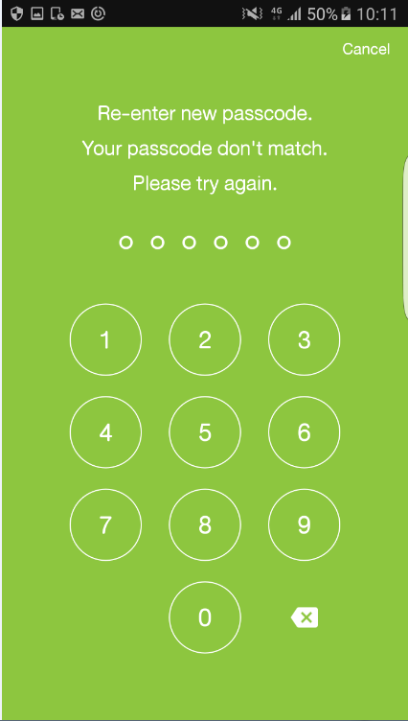
ยกเลิกการ Passcode Lock
F1_TouchID_4_2_Y_9_2 | Yes |  | ยกเลิกการSetting Passcode Lock | - มีการSetting Passcode Lock ไว้แล้ว | 1. ตรวจสอบ "my AIS will reset our passcode. Please, set your new passcode" 2.ตรวจสอบปิดฟังก์ชั่น Passcode Lock สำเร็จ | 1.ล็อกอิน "My AIS" 2.เลือกเมนู "Setting" 3. เลือกเมนู "การ Passcode Lock & Fingerprint" 4. Enter your passcode 5. เข้าสู่หน้าเมนู "การ Passcode Lock & Fingerprint" 6. เลือกปิด ฟังก์ชั่น " Passcode Lock " 7. ตรวจสอบ "my AIS will reset our passcode. Please, set your new passcode" 8. กดปุ่ม "OK" 9. ตรวจสอบปิดฟังก์ชั่น Passcode Lock สำเร็จ | 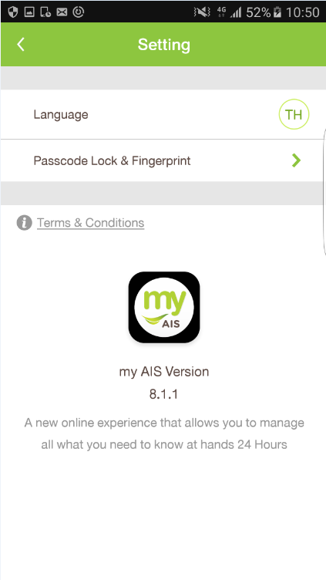 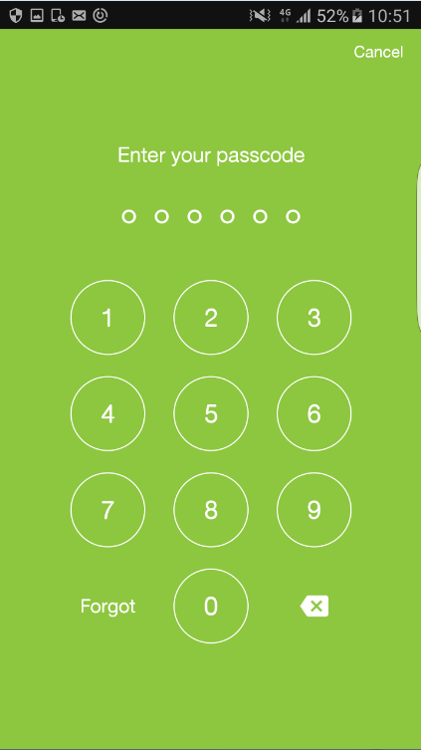 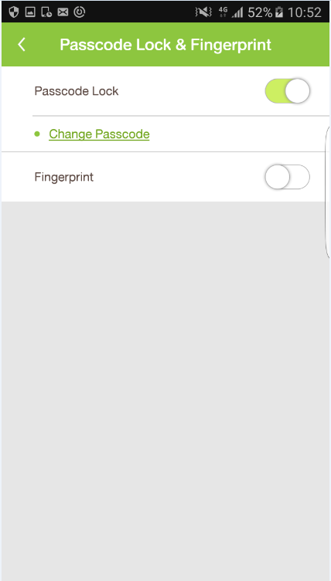 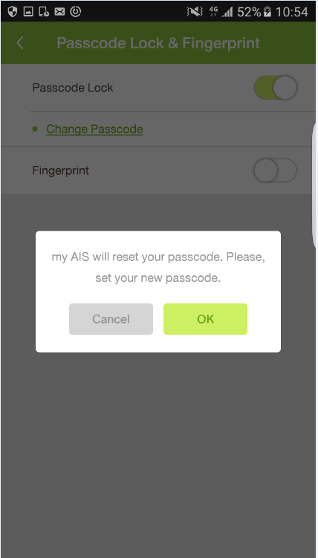 
F1_TouchID_4_2_Y_10_2 | Yes |  | ยกเลิกการSetting Passcode Lock ที่หน้า "Enter your passcode" ในเมนู "การ Passcode Lock & Touch ID" | - มีการSetting Passcode Lock ไว้แล้ว | 1. ยกเลิกการใช้งาน Passcode Lock ผ่านปุ่ม "ลืมรหัส" ที่หน้า "Enter your passcode" ในเมนู "การ Passcode Lock & Touch ID" 2. Login เข้าใช้งานอัตโนมัติทันที กรณีใช้งาน 3G/4G หรือ อยู่ที่หน้าขอรับ OTP กรณีที่เชื่อมต่อผ่าน WiFi | 1.ล็อกอิน "My AIS" 2.เลือกเมนู "Setting" 3. เลือกเมนู "การ Passcode Lock & Fingerprint" 4. กดปุ่ม "ลืมรหัส" ในหน้า "Enter your passcode" 5. แสดง Popup "Set your new passcode?" 6. กดปุ่ม "OK" เพิ่มทำการยกเลิกการSetting Passcode Lock 7.ตรวจสอบ Login เข้าใช้งานอัตโนมัติทันที กรณีใช้งาน 3G/4G หรือ อยู่ที่หน้าขอรับ OTP กรณีที่เชื่อมต่อผ่าน WiFi | 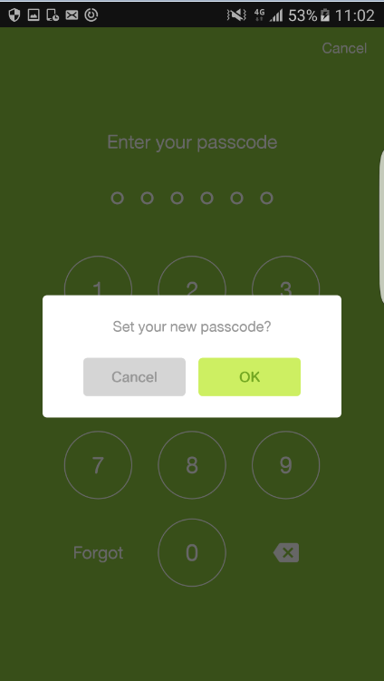 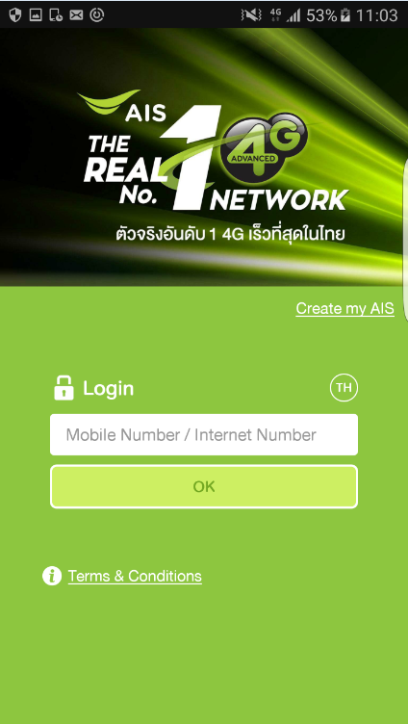
การเปลี่ยนแปลงรหัส Passcode
F1_TouchID_4_2_Y_11_2 | Yes |  | กดเมนู "เปลี่ยนรหัส" ของหน้าจอ "การ Passcode Lock & Fingerprint" | - มีการกำหนดรหัสไว้แล้ว | 1.ระบบจะแสดง Popup : Created successfully | 1.เข้าสู่แอพพลิเคชั่น MyAIS 2. เลือกเมนู Hamburger 3. เลือกเมนู "Setting" 4. เลือกเมนู "การ Passcode Lock & Fingerprint" 5. ใส่ รหัส ถูกต้อง 6. เลือกเมนู "Change Passcode" 7.ใส่รหัสเดิม 8.กำหนดรหัสที่ต้องการเปลี่ยน 9.ยืนยันรหัสที่ต้องการเปลี่ยน 10.จับภาพหน้าจอหลังจากเปลี่ยนรหัสแล้ว | 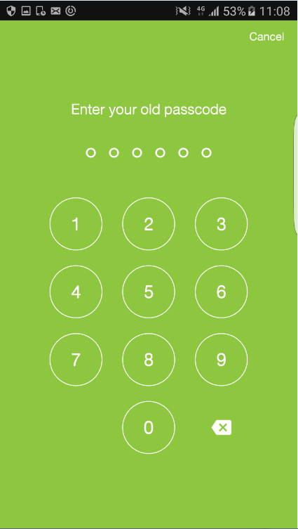 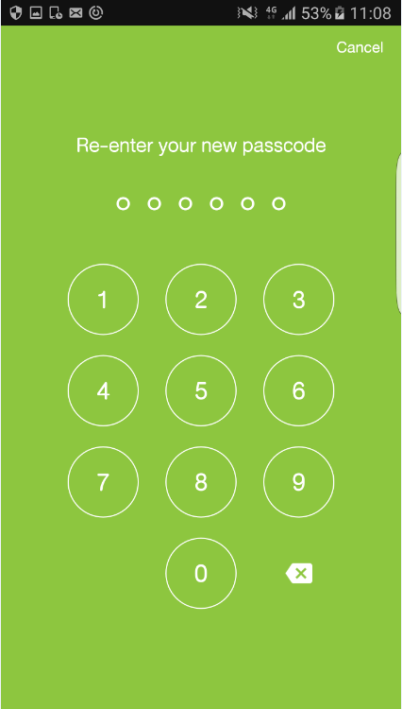
Case2: ใส่ค่า Old Passcode ถูก แต่ Re-Enter new Passcode ผิด
F1_TouchID_4_2_N_12_2 | No |  | ใส่ ยืนยันรหัสใหม่ไม่ถูกต้อง ของหน้าจอ "การ Passcode Lock & Fingerprint" - ใส่ผิดได้แค่ครั้งเดียว | P.22 | 1.ระบบจะแสดง: - ปุ่ม [ยกเลิก] - ข้อความ "รหัสไม่ถูกต้อง Re-enter new passcode. Your passcode don't match. Please try again" - จุดวงกลม 6 จุด | 1.เข้าสู่แอพพลิเคชั่น MyAIS 2. เลือกเมนู Hamburger 3. เลือกเมนู "Setting" 4. เลือกเมนู "การ Passcode Lock & Fingerprint" 5. ใส่ รหัส ถูกต้อง 6. เลือกเมนู "Change Passcode" 7. ใส่ รหัสเดิม ถูกต้อง 8. ใส่ รหัสใหม่ 9. ใส่ ยืนยันรหัสใหม่ ไม่ถูกต้อง 10.ตรวจสอบ "Re-enter new passcode. Your passcode don't match. Please try again" | 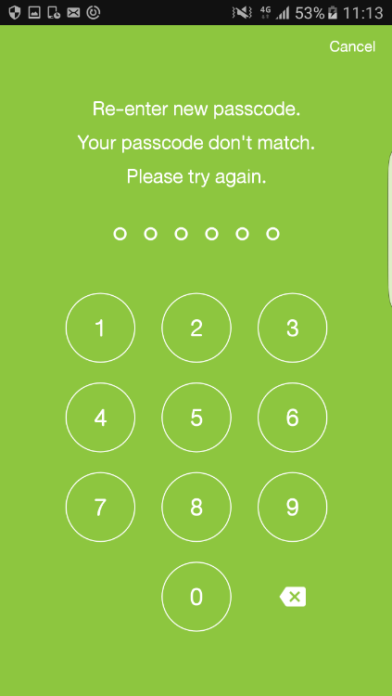
Case3: ใส่ค่า Old Passcode ผิด
F1_TouchID_4_2_N_13_2 | No |  | ใส่ รหัสเดิมไม่ถูกต้อง ของหน้าจอ "การ Passcode Lock & Fingerprint" - ใส่ผิดกี่ครั้งก็ได้จนกว่าจะใส่รหัสถูกต้อง ***ตอนกดเมนู "เปลี่ยนรหัส" | P.20 | 1.- ระบบจะยังแสดง: - แสดงปุ่ม [ยกเลิก] - ยังคงแสดงข้อความ "Enter your old passcod" - จุดวงกลม 6 จุด | 1.เข้าสู่แอพพลิเคชั่น MyAIS 2. เลือกเมนู Hamburger 3. เลือกเมนู "Setting" 4. เลือกเมนู "การ Passcode Lock & Fingerprint" 5. ใส่ รหัส ถูกต้อง 6. เลือกเมนู "Change Passcode" 7. ใส่ รหัสเดิม ไม่ถูกต้อง (2 ครั้งขึ้นไป) 8.ตรวจสอบหน้า "Enter your old passcode"
กรณีที่ เปิด Passcode, ปิด Touch ID
F1_TouchID_4_2_Y_14_2 | Yes |  | กรณีที่ระบบแสดงหน้า "Enter your passcode" => ทำการใส่รหัส ถูกต้อง | Mobile No. | 1.ระบบจะแสดงหน้าหลัก "my AIS" - แสดงเมนู Hamburger - เบอร์โทรศัพท์ - แสดงชื่อผู้ใช้งาน | 1. เปิด App my AIS. 2. ใส่รหัส ถูกต้อง ที่หน้า "Enter your passcode" 3.ตรวจสอบหน้าหลักของ "my AIS" | 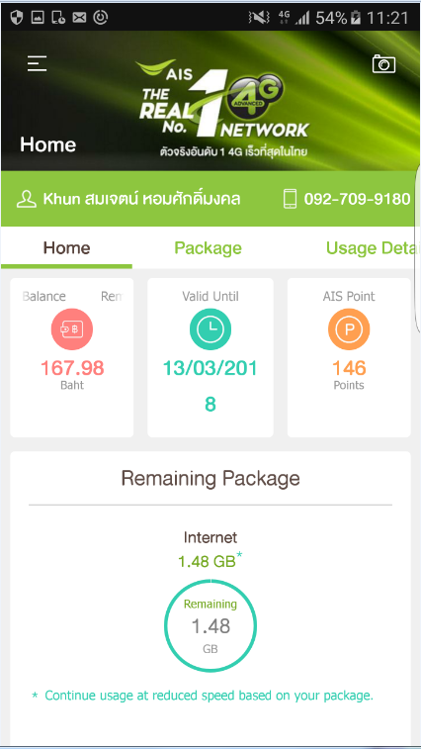
F1_TouchID_4_2_N_15_2 | No |  | กรณีที่ระบบแสดงหน้า "Enter your passcode" => ทำการใส่รหัส ไม่ถูกต้อง | Mobile No. | 1.ระบบจะแสดงหน้ากรอกรหัส : - แสดงข้อความ "Enter your passcode" - จุดวงกลม 6 จุดโยก - ปุ่ม [รีเซ็ต] | 1. เปิด App my AIS. 2. ใส่รหัส ไม่ถูกต้อง ที่หน้า "Enter your passcode" 3.ตรวจสอบหน้า "Enter your passcode"
F1_TouchID_4_2_N_16_2 | No |  | กรณีที่ระบบแสดงหน้า "Enter your passcode" => ทำการใส่รหัส ไม่ถูกต้อง 3 ครั้ง | Mobile No. | 1.ระบบจะแสดง Pop-up แจ้ง - "You have reached maximum passcode limit. my AIS will reset your passcode. Please, set your new passcode." - ปุ่ม [ตกลง] 3. แสดงหน้าจอ "Log in" - ปุ่มเปลียน ภาษา " EN " - ข้อความ "ล็อกอิน" - ปุ่ม "ตกลง" | 1. เปิด App my AIS. 2. ใส่รหัส ไม่ถูกต้อง 3 ครั้ง ที่หน้า "Enter your passcode" 3. กดปุ่ม [ตกลง] 4.ตรวจสอบ Pop-up แจ้ง "You have reached maximum passcode limit. my AIS will reset your passcode. Please, set your new passcode." 5.ตรวจสอบ "โปรแกรมแสดงหน้าจอ Login" | 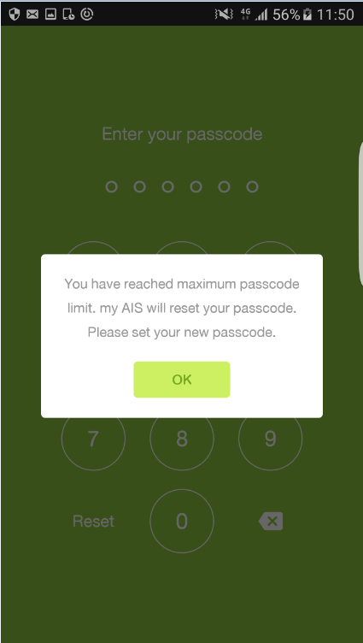
F1_TouchID_4_2_N_17_2 | No |  | กรณีที่ระบบแสดงหน้า "Enter your passcode" => ทำการกดปุ่ม [รีเซ็ต] | Mobile No. | 1.ระบบจะแสดง Pop-up แจ้ง "Set your new passcode?" - ปุ่ม [ยกเลิก] - ปุ่ม [ตกลง] | 1. เปิด App my AIS. 2. กดปุ่ม [รีเซ็ต] ที่หน้า "Enter your passcode" 3.ตรวจสอบ Popup "Set your new passcode?" 4.กดปุ่ม "ตกลง" 5.ตรวจสอบ "โปรแกรมแสดงหน้าจอ Login" | 
F1_TouchID_4_2_N_18_2 | No |  | กรณีที่ระบบแสดง Pop-up แจ้ง "คุณต้องการตั้งรหัสใหม่?" => ทำการกดปุ่ม [ยกเลิก] | Mobile No. | 1.ระบบจะปิด Pop-up แจ้ง "คุณต้องการตั้งรหัสใหม่?" 2.ระบบจะแสดงหน้ากรอกรหัส : - แสดงข้อความ "Enter your passcode" - ปุ่ม [รีเซ็ต] | 1. เปิด App my AIS. 2. กดปุ่ม [รีเซ็ต] ที่หน้า "Enter your passcode" 3. กดปุ่ม [ยกเลิก] ที่ Pop-up แจ้ง "คุณต้องการตั้งรหัสใหม่?" 4.ตรวจสอบหน้า"Enter your passcode"

